WEEK 1
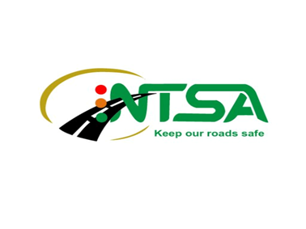 | DECEMBER 2022 USALAMA BARABARANI, #FATALSIX CAMPAIGN
SCHEDULE |  | CONTENT BY PLATFORM |  | ASSETS
Date | Time | Facebook | Twitter | MEMES
Recommended Post Date | Suggested Local Time To Post | Mix of English & Swahili | Mix of English & Swahili
19.12.20222 | 11.00am | Join the #UsalamaBarabarani Conversation this festive season as we highlight the #FatalSix behaviours you should avoid to keep our roads safe @ntsa_kenya | Join the #UsalamaBarabarani Conversation this festive season as we highlight the #FatalSix behaviours you should avoid to keep our roads safe @ntsa_kenya | 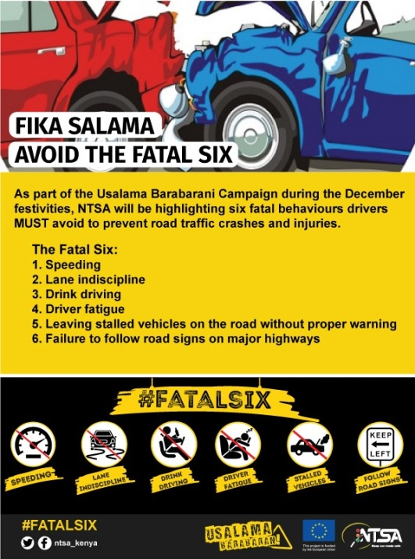
 | 12.00noon | Madere kaeni rada! Kuspeed, kuwa na uchovu ama kukuwa drunk uki drive, zote zinaweza sababisha ajali . Fuata road signs na gari ikileta shida, iweke tu hapo kando udeal nayo bila kuhatarisha wasee wengine. #FatalSix #UsalamaBarabarani @ntsa_kenya | Madere kaeni rada! Kuspeed, kuwa na uchovu ama kukuwa drunk uki drive, zote zinaweza sababisha ajali . Fuata road signs na gari ikileta shida, iweke tu hapo kando udeal nayo bila kuhatarisha wasee wengine. #FatalSix #UsalamaBarabarani @ntsa_kenya | 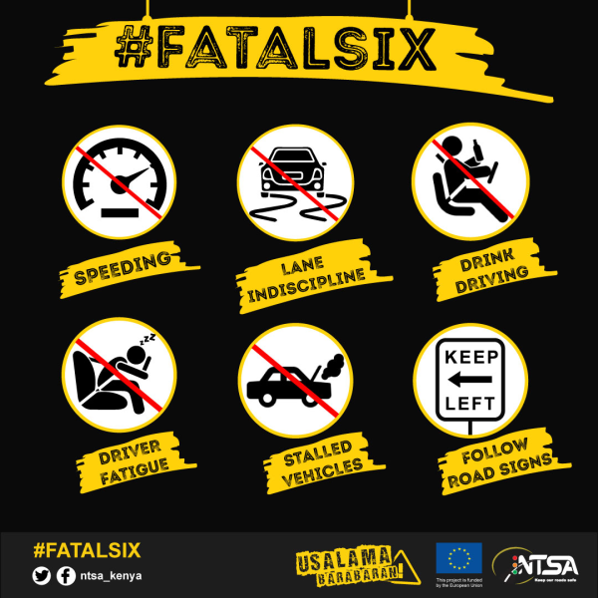
 | 3.00pm | Usisahau kutupa macho ucheki road sign inasemaje #UsalamaBarabarani @ntsa_kenya | Usisahau kutupa macho ucheki road sign inasemaje #UsalamaBarabarani @ntsa_kenya | 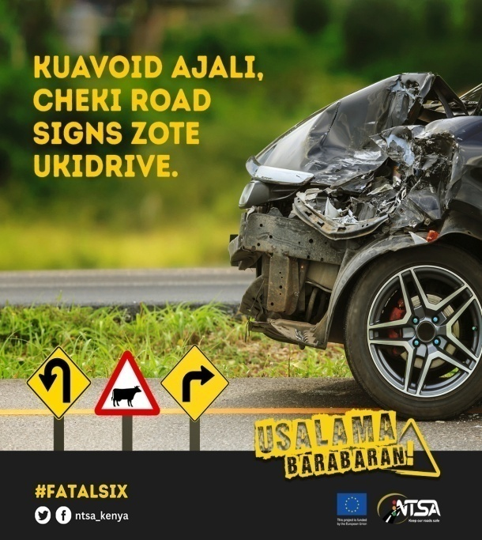
 | 5.00pm | Never drink and drive. Call a taxi and remain safe. #FatalSix #UsalamaBarabarani @ntsa_kenya | Never drink and drive. Call a taxi and remain safe. #FatalSix #UsalamaBarabarani @ntsa_kenya | 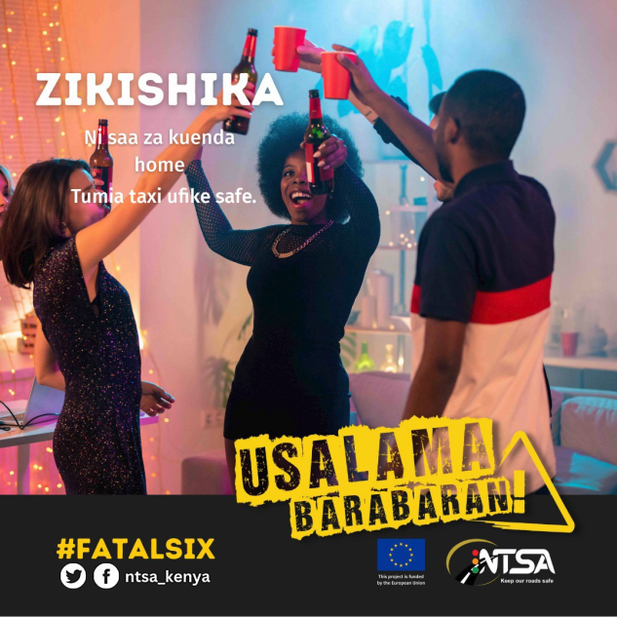
20.12.2022 | 9.00am | Join the #UsalamaBarabarani Conversation this festive season as we highlight the #FatalSix behaviours you should avoid to keep our roads safe @ntsa_kenya | Join the #UsalamaBarabarani Conversation this festive season as we highlight the #FatalSix behaviours you should avoid to keep our roads safe @ntsa_kenya
 | 11am | Kumbuka kuna wasee wengine wanatumia barabara pia. Wewe park hapo kando na uweke triangle. #FatalSix #UsalamaBarabarani @ntsa_kenya | Kumbuka kuna wasee wengine wanatumia barabara pia. Wewe park hapo kando na uweke triangle. #FatalSix #UsalamaBarabarani @ntsa_kenya | 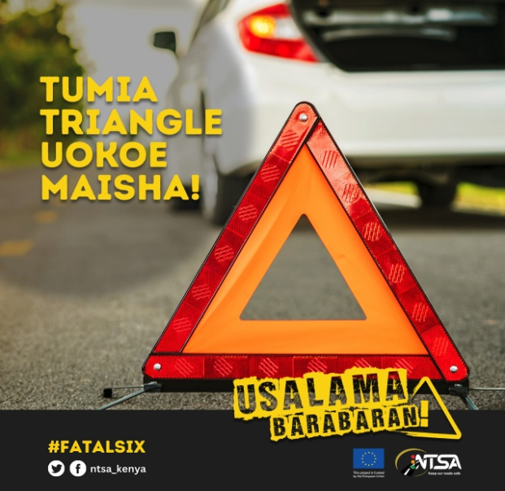
 | 1.00pm | Madere kaeni rada! Kuspeed, kuwa na uchovu ama kukuwa drunk uki drive, zote zinaweza sababisha ajali . Fuata road signs na gari ikileta shida, iweke tu hapo kando udeal nayo bila kuhatarisha wasee wengine. #FatalSix #UsalamaBarabarani @ntsa_kenya | Madere kaeni rada! Kuspeed, kuwa na uchovu ama kukuwa drunk uki drive, zote zinaweza sababisha ajali . Fuata road signs na gari ikileta shida, iweke tu hapo kando udeal nayo bila kuhatarisha wasee wengine. #FatalSix #UsalamaBarabarani @ntsa_kenya | 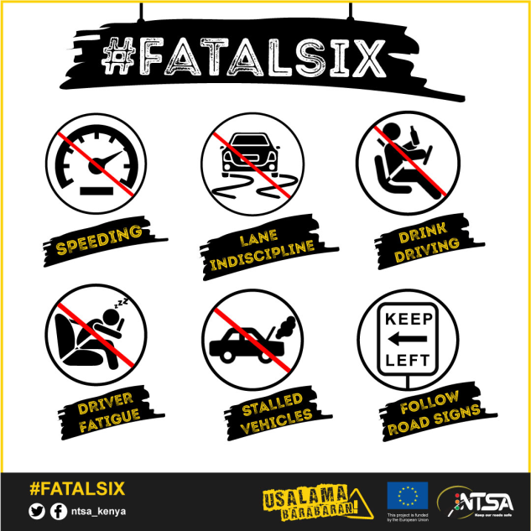
 | 4.00pm | Ukidrive, maintain safe distance fiti ndio ufike salama. #FatalSix #UsalamaBarabarani @ntsa_kenya | Ukidrive, maintain safe distance fiti ndio ufike salama. #FatalSix #UsalamaBarabarani @ntsa_kenya | 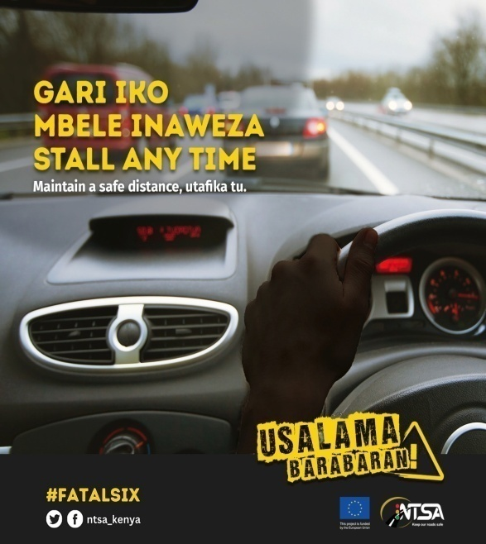
21.12.2022 | 9.00am | Mkiwa kwa mat alafu ikwame, changamkeni mshow dere aweke triangle nyuma na mbele ya gari ndio mkuwe safe incase of anything. #FatalSix #UsalamaBarabarani @ntsa_kenya | Mkiwa kwa mat alafu ikwame, changamkeni mshow dere aweke triangle nyuma na mbele ya gari ndio mkuwe safe incase of anything. #FatalSix #UsalamaBarabarani @ntsa_kenya | 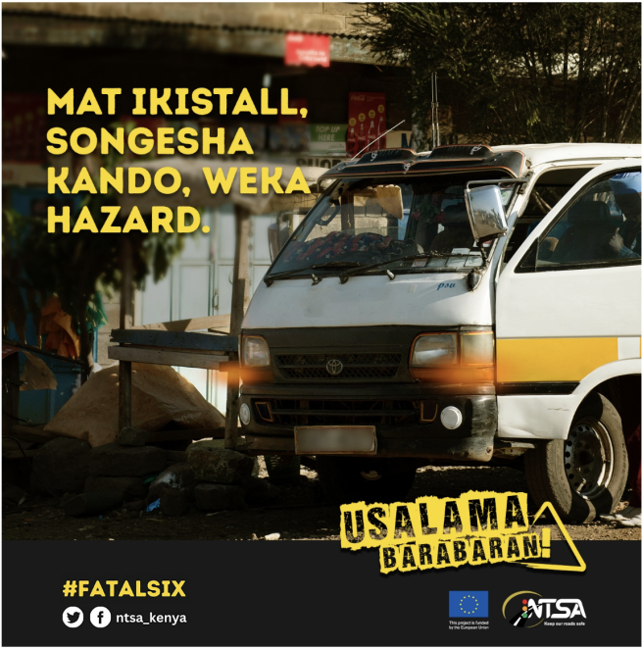
 | 12.00 noon | Gari ikichapa na isimame ukiwa kwa highway, washa hazard ndio madere wengine wakae rada wakikukaribia. #FatalSix #UsalamaBarabarani @ntsa_kenya | Gari ikichapa na isimame ukiwa kwa highway, washa hazard ndio madere wengine wakae rada wakikukaribia. #FatalSix #UsalamaBarabarani @ntsa_kenya | 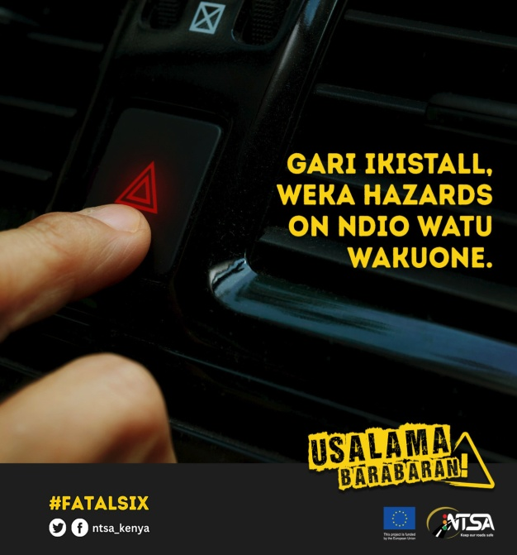
 | 4.00pm | Mkiwa kwa mat alafu ikwame, changamkeni mshow dere aweke triangle nyuma na mbele ya gari ndio mkuwe safe incase of anything. #FatalSix #UsalamaBarabarani @ntsa_kenya | Mkiwa kwa mat alafu ikwame, changamkeni mshow dere aweke triangle nyuma na mbele ya gari ndio mkuwe safe incase of anything. #FatalSix #UsalamaBarabarani @ntsa_kenya | 
22.12.2022 | 9.00am | Ukiwa kwa traffic, maintain safe distance fiti ndio ufike salama. #FatalSix #UsalamaBarabarani @ntsa_kenya | Ukiwa kwa traffic, maintain safe distance fiti ndio ufike salama. #FatalSix #UsalamaBarabarani @ntsa_kenya | 
 | 12,00 noon | Madere kaeni rada! Kuspeed, kuwa na uchovu ama kukuwa drunk uki drive, zote zinaweza sababisha ajali . Fuata road signs na gari ikileta shida, iweke tu hapo kando udeal nayo bila kuhatarisha wasee wengine. #FatalSix #UsalamaBarabarani @ntsa_kenya | Madere kaeni rada! Kuspeed, kuwa na uchovu ama kukuwa drunk uki drive, zote zinaweza sababisha ajali . Fuata road signs na gari ikileta shida, iweke tu hapo kando udeal nayo bila kuhatarisha wasee wengine. #FatalSix #UsalamaBarabarani @ntsa_kenya | 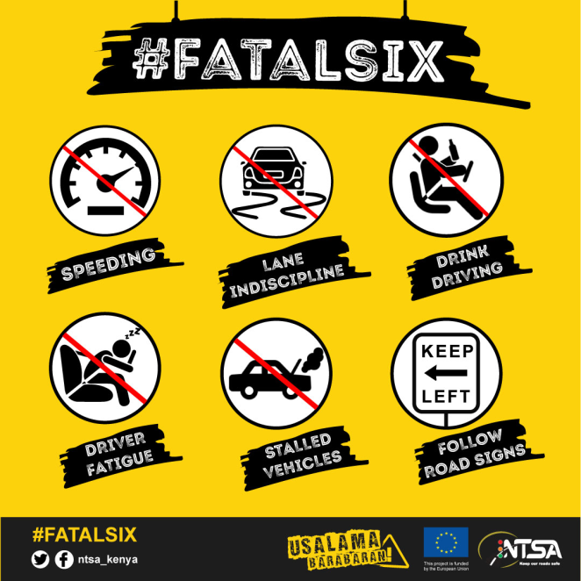
 | 4.00pm | Join the #UsalamaBarabarani Conversation this festive season as we highlight the #FatalSix behaviours you should avoid to keep our roads safe @ntsa_kenya | Join the #UsalamaBarabarani Conversation this festive season as we highlight the #FatalSix behaviours you should avoid to keep our roads safe @ntsa_kenya | 
23.12.2022 | 9,00am | Usisahau kutupa macho ucheki road sign inasemaje #UsalamaBarabarani @ntsa_kenya | Usisahau kutupa macho ucheki road sign inasemaje #UsalamaBarabarani @ntsa_kenya | 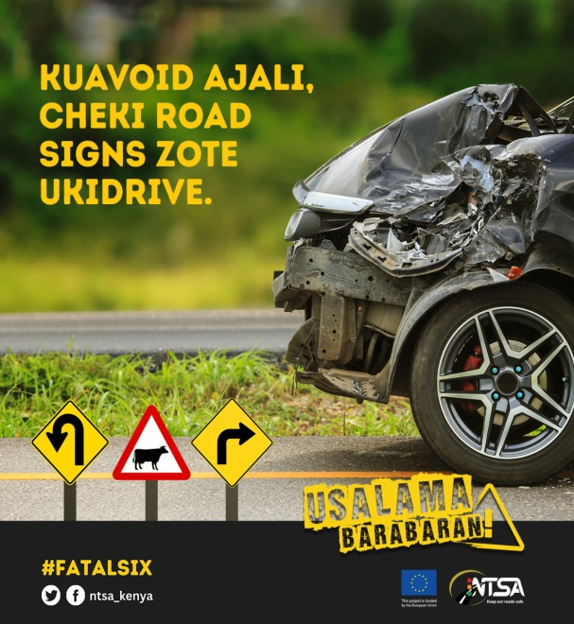
 | 11.00am | Dere , kaa rada ukicheki road signs. #FatalSix #UsalamaBarabarani @ntsa_kenya | Dere , kaa rada ukicheki road signs. #FatalSix #UsalamaBarabarani @ntsa_kenya | 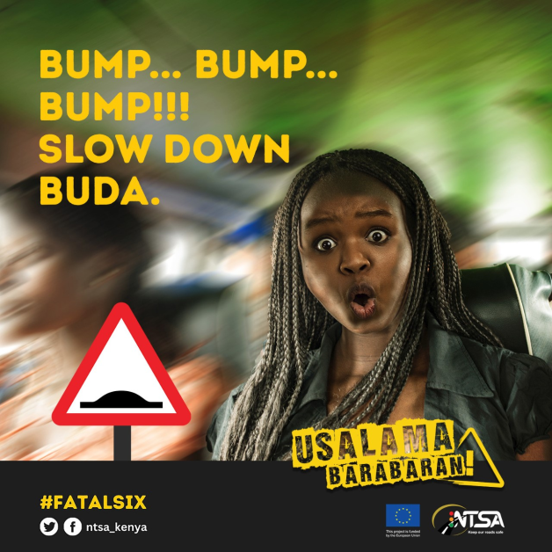
 | 1.00pm | Slow down, utafika home salama. #UsalamaBarabarani @ntsa_kenya | Slow down, utafika home salama. #UsalamaBarabarani @ntsa_kenya | 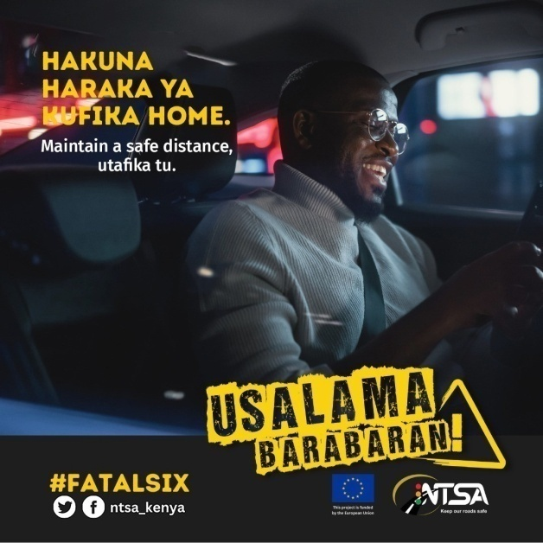
 | 3.00pm | Never drink and drive. #FatalSix #UsalamaBarabarani @ntsa_kenya | Never drink and drive. #FatalSix #UsalamaBarabarani @ntsa_kenya | 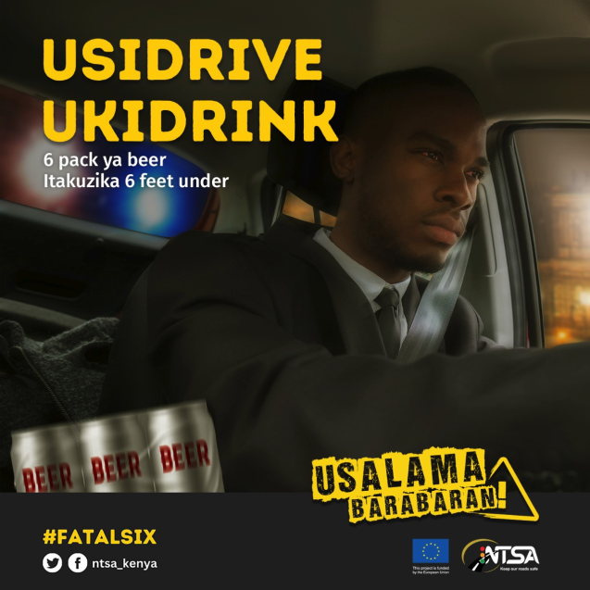
 | 4.00pm | Never drink and drive. Call a taxi and remain safe. #FatalSix #UsalamaBarabarani @ntsa_kenya | Never drink and drive. Call a taxi and remain safe. #FatalSix #UsalamaBarabarani @ntsa_kenya | 
 | 5.00pm | Slow, sure , safe! #FatalSix #UsalamaBarabarani @ntsa_kenya | Slow, sure , safe! #FatalSix #UsalamaBarabarani @ntsa_kenya | 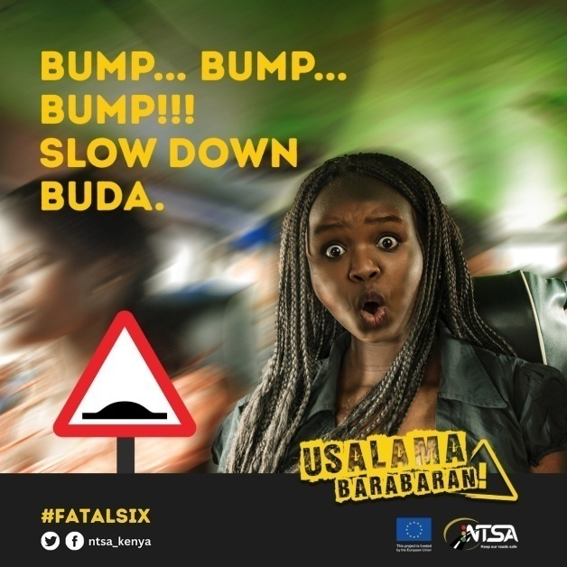
27.12.2022 | 9.00am | Slow down, utafika home salama. #UsalamaBarabarani @ntsa_kenya | Slow down, utafika home salama. #UsalamaBarabarani @ntsa_kenya | 
 | 12.00noon | Mkiwa kwa mat alafu ikwame kwa njia, changamkeni mshow dere aeke triangle nyuma na mbele ya gari ndio mkuwe safe incase of anything. #FatalSix #UsalamaBarabarani @ntsa_kenya | Mkiwa kwa mat alafu ikwame kwa njia, changamkeni mshow dere aeke triangle nyuma na mbele ya gari ndio mkuwe safe incase of anything. #FatalSix #UsalamaBarabarani @ntsa_kenya | 
 | 4.00pm | Slow, sure , safe! #FatalSix #UsalamaBarabarani @ntsa_kenya | Slow, sure , safe! #FatalSix #UsalamaBarabarani @ntsa_kenya | 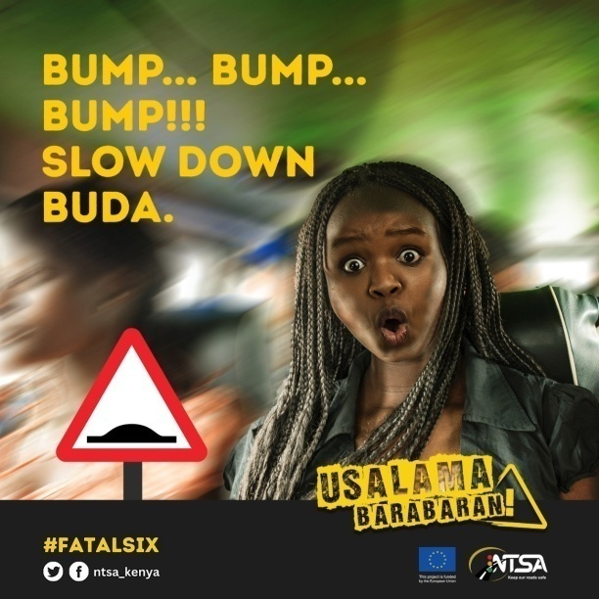
28.12.2022 | 9.00am | Usisahau kutupa macho ucheki road sign inasemaje #UsalamaBarabarani @ntsa_kenya | Usisahau kutupa macho ucheki road sign inasemaje #UsalamaBarabarani @ntsa_kenya | 
 | 12 .00 noon | Ukidrive, maintain safe distance fiti ndio ufike salama. #FatalSix #UsalamaBarabarani @ntsa_kenya | Ukidrive, maintain safe distance fiti ndio ufike salama. #FatalSix #UsalamaBarabarani @ntsa_kenya | 
 | 4.00pm | Madere kaeni rada! Kuspeed, kuwa na uchovu ama kukuwa drunk uki drive, zote zinaweza sababisha ajali . Fuata road signs na gari ikileta shida, iweke tu hapo kando udeal nayo bila kuhatarisha wasee wengine. #FatalSix #UsalamaBarabarani @ntsa_kenya | Madere kaeni rada! Kuspeed, kuwa na uchovu ama kukuwa drunk uki drive, zote zinaweza sababisha ajali . Fuata road signs na gari ikileta shida, iweke tu hapo kando udeal nayo bila kuhatarisha wasee wengine. #FatalSix #UsalamaBarabarani @ntsa_kenya | 
29.12.2022 | 9.00am | Gari ikichapa na isimame ukiwa kwa highway, washa hazard ndio madere wengine wakae rada wakikukaribia. #FatalSix #UsalamaBarabarani @ntsa_kenya | Gari ikichapa na isimame ukiwa kwa highway, washa hazard ndio madere wengine wakae rada wakikukaribia. #FatalSix #UsalamaBarabarani @ntsa_kenya | 
 | 12.00noon | Mkiwa kwa mat alafu ikwame kwa njia, changamkeni mshow dere aeke triangle nyuma na mbele ya gari ndio mkuwe safe incase of anything. #FatalSix #UsalamaBarabarani @ntsa_kenya | Mkiwa kwa mat alafu ikwame kwa njia, changamkeni mshow dere aeke triangle nyuma na mbele ya gari ndio mkuwe safe incase of anything. #FatalSix #UsalamaBarabarani @ntsa_kenya | 
 | 4.00pm | Kumbuka kuna wasee wengine wanatumia barabara pia. Wewe park hapo kando na uweke hazard triangle. #FatalSix #UsalamaBarabarani @ntsa_kenya | Kumbuka kuna wasee wengine wanatumia barabara pia. Wewe park hapo kando na uweke hazard triangle. #FatalSix #UsalamaBarabarani @ntsa_kenya | 
30.12.2022 | 9.00am | Madere kaeni rada! Kuspeed, kuwa na uchovu ama kukuwa drunk uki drive, zote zinaweza sababisha ajali . Fuata road signs na gari ikileta shida, iweke tu hapo kando udeal nayo bila kuhatarisha wasee wengine. #FatalSix #UsalamaBarabarani @ntsa_kenya | Madere kaeni rada! Kuspeed, kuwa na uchovu ama kukuwa drunk uki drive, zote zinaweza sababisha ajali . Fuata road signs na gari ikileta shida, iweke tu hapo kando udeal nayo bila kuhatarisha wasee wengine. #FatalSix #UsalamaBarabarani @ntsa_kenya | 
 | 12.00noon | Never drink and drive. #FatalSix #UsalamaBarabarani @ntsa_kenya | Never drink and drive. #FatalSix #UsalamaBarabarani @ntsa_kenya | 
 | 4.00pm | Kesho pia ni siku, never drink and drive! Call taxi #FatalSix #UsalamaBarabarani @ntsa_kenya | Kesho pia ni siku, never drink and drive! Call taxi #FatalSix #UsalamaBarabarani @ntsa_kenya | 